REGISTER
 |  |  |  |  |  |  |  |  | Appendix 1
Alderbury Parish Council
RISK REGISTER |  |  |  |  |  | Updated 04/03/24

This register has been developed in accordance with Joint Panel on Accountability and Governance (JPAG) - Practitioners Guide.
 |  |  |  |  | 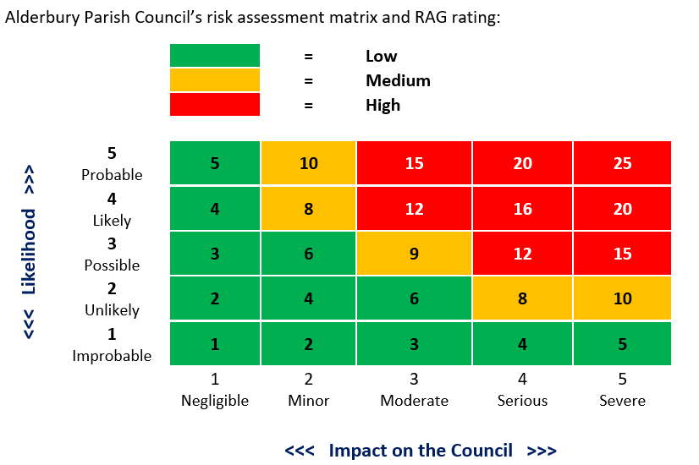
Governance
Risk | Impact | Ongoing Risk |  |  | Response | Controls/Treatments | Owner | Risk allowing for treatments
 |  | Likelihood | Impact | Rating |  |  |  | Likelihood | Impact | Rating
Failure to respond to electors’ wish to right of inspection | Loss of confidence | 1 | 5 | 5 | Treat | Clear Standing Orders and Operating Protocols | Clerk | 1 | 3 | 3
 | Loss of reputation |  |  |  |  | Documented procedures to deal with enquiries from the public
 | Legal challenge
Failure to meet the stipulated timetables when responding to consultation invitation | Affect reputation | 1 | 1 | 1 | Tolerate | Documented procedures to deal with responses to consultation requests | Clerk | 1 | 1 | 1
 | Ineffectual involvement
 | Failure to serve constituents
APC lacks relevant skills and commitment | Council fails to achieve its purpose | 2 | 4 | 8 | Treat | Training for councillors | Chair/Clerk | 2 | 3 | 6
 | Poor decisions/ loss of resources |  |  |  |  | Close review of attendance
 | Poor value for precept money |  |  |  |  | Qualified Clerk
APC becomes dominated by one or two individuals or cliques form | Conflicts of interest | 2 | 4 | 8 | Treat | Clear Standing Orders regarding conduct of a meeting . Avoid making commitments on behalf of the council | Chair | 1 | 3 | 3
 | Pursuit of personal agendas
 | Decisions made outside Council
Councillors benefitting from APC membership | Affect reputation | 1 | 4 | 4 | Treat | Clear Standing Orders | Members | 1 | 3 | 3
 | Conflicts of Interest |  |  |  |  | Open system for payments | Clerk
 |  |  |  |  |  | Encourage declarations of interests | Clerk
 |  |  |  |  |  | Promote the code of conduct | All
 |  |  |  |  |  | Obtain audit view | Clerk
Having insufficient candidates for member vacancies | APC efficiency affected | 3 | 4 | 12 | Treat | Actively publicise Council activities | Members | 1 | 2 | 2
 | Lack of capacity |  |  |  |  | Seek candidates amongst friends and colleagues | Members
 |  |  |  |  |  | Publicise vacancies on notice boards, newsletter or local papers | Clerk

Failure to achieve quorum at meetings | Meeting cancelled | 2 | 5 | 10 | Treat | Issue annual meeting calendar to all members | Clerk | 1 | 3 | 3
 |  |  |  |  |  | Issue meeting agendas promptly
 |  |  |  |  |  | Maintain attendance register
 |  |  |  |  |  | Contact members who fail to attend meetings
Lack of public participation at meetings | Parishioners not aware of what is happening in their village | 4 | 3 | 12 | Treat | Ensure meetings publicised on notice boards | Clerk | 1 | 2 | 2
 |  |  |  |  |  | Place articles in local newspapers / newsletters | Clerk
 |  |  |  |  |  | Include public participation on all agendas | Clerk
 |  |  |  |  |  | Ensure seating available at venue for public | Clerk
 |  |  |  |  |  | Provide advice for members of the public attending | Chair
 |  |  |  |  |  | Publish agendas and minutes on website | Clerk
 |  |  |  |  |  | Social Media | Clerk
Bad publicity | Local newspaper reports | 2 | 4 | 8 | Treat | Have all press releases or newsletter reviewed by Chair or Clerk before release | Chair/Clerk | 2 | 2 | 4
 |  |  |  |  |  | Avoid speaking to the press outside meetings | All
Council decisions not implemented | Bad publicity | 2 | 4 | 8 | Treat | Review minutes for confirmation of action | All | 1 | 4 | 4
 | Poor value for money |  |  |  |  | Review (was Clerk’s report) action log for confirmation of action | All
 |  |  |  |  |  | Review correspondence as necessary | Chair/Clerk
Inaccurate minutes and poor document control | Information not passed on in a timely manner | 1 | 3 | 3 | Tolerate | Review and approve minutes at next meeting | All | 1 | 2 | 2
 | Deadlines missed |  |  |  |  | Obtain Chair's signature on approved minutes | Clerk
 | Lack of achievement |  |  |  |  | Retain signed minutes in minute book, and display on website and backups | Clerk
 |  |  |  |  |  | CiLCA qualified Clerk | Clerk
 |  |  |  |  |  | Retain all records for required period | Clerk
Failure to discharge PC responsibilities effectively | Loss of credibility | 2 | 4 | 8 | Treat | Guidance from the Clerk | Clerk | 1 | 3 | 3
 | Reputation |  |  |  |  | Support from Wiltshire Councillor
 | Bad publicity |  |  |  |  | Appropriate training | All
 |  |  |  |  |  | CiLCA qualified Clerk

Business continuity
Risk | Impact | Ongoing Risk |  |  | Response | Controls/Treatments | Owner | Risk allowing for treatments
 |  | Likelihood | Impact | Rating |  |  |  | Likelihood | Impact | Rating
Disruption or obstruction by the Clerk (either wilful or through incompetence) | Lack of progress | 1 | 5 | 5 | Treat | Detailed Standing Orders | Chair/clerk | 1 | 4 | 4
 | Timescales not met |  |  |  |  | Strictly programmed reporting | Chair/clerk
 | Funding lost |  |  |  |  | Annual appraisal and performance management system | HR
 |  |  |  |  |  | HR nominated Councillor | HR
 |  |  |  |  |  | Strictly enforced procedures for data back-up and storage of documents | Clerk
Loss of the Clerk | Failure in budgetary controls | 3 | 5 | 15 | Treat | (Detailed job description) Not sure about this? | Chair | 2 | 4 | 8
 | Increased councillor workload |  |  |  |  | Clear budgetary procedures | Members
 | Delayed maintenance and correspondence |  |  |  |  | Annual appraisal and performance management system | HR
 |  |  |  |  |  | Consider retention activities | HR
 |  |  |  |  |  | Contingency plans in place should clerk leave | HR

Poor provision of services being carried out under contract | Loss of reputation | 2 | 4 | 8 | Treat | Clear statement of management responsibility for each service | Members | 1 | 4 | 4
 | Poor public image |  |  |  |  | Regular review of performance | Members
 | Poor value for money
Lack of maintenance of APC owned property | Unbudgeted expenditure | 2 | 5 | 10 | Treat | Regular surveys | Clerk/members | 1 | 4 | 4
 | Injury to third party leading to insurance claims |  |  |  |  | Regular routine preventative maintenance | Clerk
 | Damaged property |  |  |  |  | Insurance cover | Clerk
 | Deterioration in parish appearance |  |  |  |  | Clear and unambiguous asset register | Clerk
Failure to correctly identify local needs or wishes | Poor public image | 2 | 3 | 6 | Tolerate | Maintain close contact with local residents | Members | 1 | 3 | 3
 | Lack of support |  |  |  |  | Use meetings to obtain residents’ feedback | Members
 |  |  |  |  |  | Use questionnaires, where appropriate to identify local wishes | All
 |  |  |  |  |  | Publicise plans and invite comments | Clerk
 |  |  |  |  |  | Relevant APM
 |  |  |  |  |  | Review local papers, especially correspondence sections | Members

Legal and regulatory compliance
Risk | Impact | Ongoing Risk |  |  | Response | Controls/Treatments | Owner | Risk allowing for treatments
 |  | Likelihood | Impact | Rating |  |  |  | Likelihood | Impact | Rating
Failure of the APC to comply with the law, in particular: | Fines and penalties from regulation bodies | 2 | 5 | 10 | Treat | Clear policies and procedures | Members | 1 | 4 | 4
Health and Safety | Employee claims |  |  |  |  | Regular review of Law | Clerk
Equal Opportunities | Loss of reputation |  |  |  |  | Training for Clerk and Councillors | All
Data Protection/GDPR |  |  |  |  |  | CiLCA qualified Clerk | HR
Freedom of Information |  |  |  |  |  | Prepare comprehensive job descriptions | Clerk
Human Rights |  |  |  |  |  | Join WALC, SLCC and use advice services | Clerk
Disability and Discrimination |  |  |  |  |  | Periodically review all activities to ensure ongoing compliance | All
Employment Law
Failure to register members’ interests, gifts etc. | Member could make inappropriate gains | 2 | 4 | 8 | Treat | Procedures in place for recording and monitoring Members interests and gifts | Clerk | 2 | 3 | 6
...

